IPI DRB Minutes
 |  | IBIDEN PHILIPPINES, INC. |  |  |  |  |  |  |  |  |  |  |  |  |  |  |  |  |  |  | DRB/MRB No. : |  | D-VF-19-10-002
 |  | DRB/MRB REPORT MINUTES |  |  |  |  |  |  |  |  |  |  |  |  |  |  |  |  |  |  | RFC No. : |  | 50-1019-0089

Theme: |  |  | Offset Via due wrong program used
Meeting Date : |  |  | 11-Oct-19 |  |  |  |  |  |  |  |  |  |  |  |  | Originated by : |  |  |  |  | Rowena Flores
Meeting Time: |  |  | 1300h |  |  |  |  |  |  |  |  |  |  |  |  |  |  |  |  |  | Name /Block
Meeting Place: |  |  | MP Office |  |  |  |  |  |  |  |  |  |  |  |  | Approved by : |  |  |  |  | Mavic Victorio
Chairman: |  |  | Rowena Flores |  |  |  |  |  |  |  |  |  |  |  |  |  |  |  |  | Originator ASM/SM/DGM/GM
Block: |  |  | VF
Attendees : |  |  | Manufacturing |  |  | Engineering/NPD |  |  |  | Facilities/EE |  |  |  |  | QA/QC |  |  |  |  | PPIC/CSE |  |  |  | Other

 |  |  | Whena |  |  |  | sir Ehlmon |  |  |  | mam Carol |  |  |  |  | sir Leo
 |  |  | m'Mavic

<1>PROBLEM STATEMENT : (Put another sheet if multiple lots was discovered affected)
DEFECT ISSUE: |  |  | Offset Via due wrong program used |  | # | PRODUCT/MODEL AFFECTED |  |  |  | PRODUCT FAMILY |  |  | LEDGER NO. |  | PRODUCT SIZE |  | LOT NUMBER |  |  | AFFECTEDLAYER |  | AFFECTED PANEL |  | AFFECTED UNIT OR IF PERCENTAGE
DATE/TIME OCCURRED: |  |  | Oct-08-19 |  | 1 | IPI Renoir FP6 |  |  |  |  |  |  | 022-1708 |  |  |  | P7873570 |  |  |  |  | 2
PROCESS DETECTED: |  |  | Laser |  | 2
PROCESS AFFECTED: |  |  | Laser |  | 3
# OF AFFECTED LOTS : |  |  | 1 |  | 4
WHO DETECTED: |  |  |  |  | 5
 |  |  |  |  | 6
 |  |  |  |  | 7
 |  |  |  |  | 8
 |  |  |  |  | 9
 |  |  |  |  | 10
 |  |  |  |  | 11
 |  |  |  |  | 12
 |  |  |  |  | 13
 |  |  |  |  | 14
 |  |  |  |  | 15
 |  |  |  |  | 16
 |  |  |  |  | 17
 |  |  |  |  | 18
 |  |  |  |  | 19
 |  |  |  |  | 20
 |  |  |  |  | 21
 |  |  |  |  | 22
 |  |  |  |  | 23
 |  |  |  |  | 24
 |  |  |  |  | 25
 |  |  |  |  | 26
 |  |  |  |  | 27
 |  |  |  |  | 28
 |  |  |  |  | 29
 |  |  |  |  | 30
WHAT IS THE PROBLEM DIFFERENCE FROM NORMAL TO ABNORMAL SITUATION? CHANGING POINT? DISCUSS THE FLOW. (Indicate 5W and 1H)

THE AGENDA ITEM IS RECURRENCE? |  |  |  | RECURRENCE |  |  |  | NEW |  |  |  | Recurrence Definition |  |  |  | 1. Rootcause is clear happened in same MC and parts 2. Rootcause is not clear but same issue 3. The Action was not proliferated to other process and machine but it was discussed during the meeting
THE AGENDA ITEM IS ESCAPEE? |  |  |  | YES |  |  |  | NO
PROBLEM CATEGORY |  |  | MAN |  | MACHINE |  |  |  | METHOD |  |  | MATERIAL |  |  | MEASUREMENT |  |  |  | ENVIRONMENT |  |  |  | OTHERS
DRB CLOSING RANK |  |  | RANK 1 |  | RANK 2 |  |  |  | RANK 3 |  |  | RANK 4 |  |  | RANK 5 |  |  |  | OTHERS

<2> INVESTIGATION/IDENTIFICATION OF AFFECTED AREA, SITUATION (Define the phenomenon, mode and tendency occurrence,Etc.)

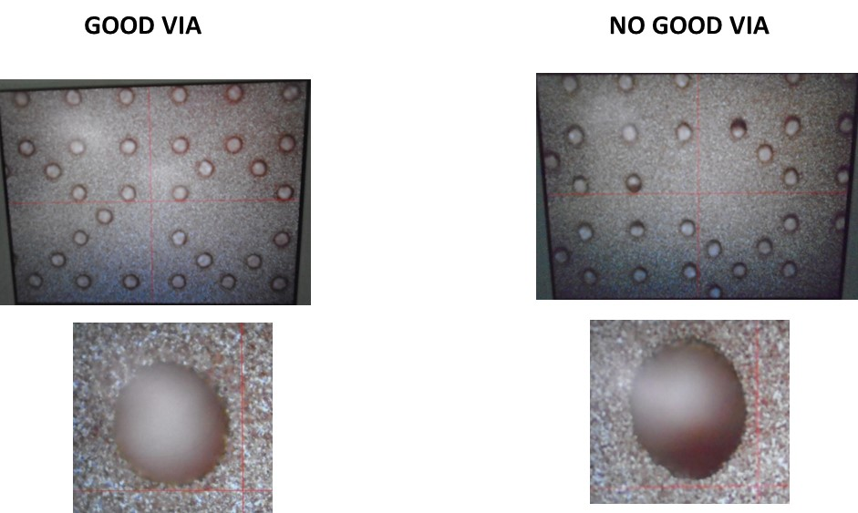
 | As of 2110h, Via informed that 1 panel of IPI Renoir FP6 bypassed by Engg Grace has an offset result.
 | As per Engg Grace, with one missing alignment mark that’s why it resulted to offset via during bypass.
 | The program used is F1-0397-03F instead of F1-0397-04F. As per Engg Grace, she forgot to manually change the program/bu and overlooked because the previous program/tooling loaded is F1-0397-03F.

<3> CONTAINMENT ACTION (Note: Do not disable the interlock system when doing the action) |  |  |  |  |  |  |  |  |  |  |  |  |  |  |  |  | Responsible |  |  | Completion Date |  |  | Status
 |  |  |  |  |  |  |  |  |  |  |  |  |  |  |  |  | Name / Block

<4> DISPOSITION OF AFFECTED LOT AND RISK ASSESSMENT

Assessment Item (# of sample/Method) |  |  |  | Responsible Name / Block |  |  |  | Completion Date |  |  | Assessment Result (No Good/TTL QTY) |  |  |  |  |  | Judgment (OK/NG) |  |  | Final Disposition

 |  |  |  |  |  |  |  |  |  |  |  |  |  |  |  |  |  |  |  |  | Proceed |  | Qty : ______________________________
 |  |  |  |  |  |  |  |  |  |  |  |  |  |  |  |  |  |  |  |  | Piece Out |  | Qty : _______ Pnl #: ________________
 |  |  |  |  |  |  |  |  |  |  |  |  |  |  |  |  |  |  |  |  | Sheet Out |  | Qty : ______________________________
 |  |  |  |  |  |  |  |  |  |  |  |  |  |  |  |  |  |  |  |  | Lot Out |  | Qty : ______________________________
 |  |  |  |  |  |  |  |  |  |  |  |  |  |  |  |  |  |  |  |  | SDR
Risk Assessment Category |  |  |  |  |  |  |  |  |  |  |  | Remarks
 |  | Low |  | Medium |  |  |  |  | High |  |  | ________________________

<5>ACTION REQUIRED (Note: Do not disable the interlock system when doing the action)

Action Request |  |  |  |  |  |  |  |  |  |  | Responsible Name / Block |  |  |  |  |  | Completion Date |  |  | Detail Results
1. Strictly only one at a time activity required. (Dissemination) |  |  |  |  |  |  |  |  |  |  | Engg s'Ehlmon |  |  |  |  |  | ww42.3
2. Provide Bypass alignment flow chart versus actual. |  |  |  |  |  |  |  |  |  |  | Engg s'Ehlmon |  |  |  |  |  | ww42.3

<6> ROOTCAUSE GENERATION/ANALYSIS <WHY ANALYSIS by 5M1E, DESIGN AND CAPABILITY>

 | 1. FACTOR GAP ANALYSIS
 | Problem/Issue |  | Gap Type |  | 1st why |  |  |  |  | 2nd why |  |  |  |  |  | 3rd why |  |  |  |  |  | 4th why |  |  | 5th why
 | Offset via |  | Technical

 |  |  | Systemic |  | Wrong program selection |  |  |  |  | Confusion upon selection of actual program |  |  |  |  |  | Attending multiple machine trouble at the same time
 |  |  | Detection
 | 2. FINAL ROOT CAUSE and MECHANISM OF AFFECTED ISSUE

<7> CORRECTIVE ACTION |  |  |  |  |  |  |  |  |  |  |  |  |  | Responsible |  |  |  | Completion Date |  |  | Status |  |  | Need CN & DR?
 |  |  |  |  |  |  |  |  |  |  |  |  |  | Name / Block |  |  |  |  |  |  |  |  |  | Yes | No

<8> PREVENTIVE ACTION |  |  |  |  |  |  |  |  |  |  |  |  |  | Responsible |  |  |  | Completion Date |  |  | Status |  |  | Need CN & DR?
 |  |  |  |  |  |  |  |  |  |  |  |  |  | Name / Block |  |  |  |  |  |  |  |  |  | Yes | No

<9> PROLIFERATION |  |  |  |  |  |  |  |  |  |  |  |  |  |  |  |  | Responsible |  |  | Completion |  |  | Status
 |  |  |  |  |  |  |  |  |  |  |  |  |  |  |  |  | Name / Sign |  |  | Date
Product |  | Block | Process/line |  | Machine |  |  | Proliferate Item
 |  |  |  |  |  |  |  | 1
 |  |  |  |  |  |  |  | 2
<10>AMOUNT OF LOSS . The total sum_________________
Product |  |  |  |  | Unit Qty |  |  |  |  |  |  |  |  | Amount of Loss |  |  |  |  |  |  | Remarks

<11> CLOSING APPROVAL (The approver person in charge should put details of the validation and closing confirmation result)
The Validation activity |  |  |  |  |  |  |  |  |  |  |  |  |  |  |  |  |  | Closing Approver |  |  |  |  | Closing Date
 |  |  |  |  |  |  |  |  |  |  |  |  |  |  |  |  |  | ASM Gloria Reyes

 |  |  |  |  |  |  |  |  |  |  |  |  |  |  |  |  |  |  |  |  |  |  |  |  |  | QA-SCAR-MRB-02-00-01 Rev. 11

